Character
👤 Name: Archer of Swiftness (Change Name) |  | 📜 Titles:
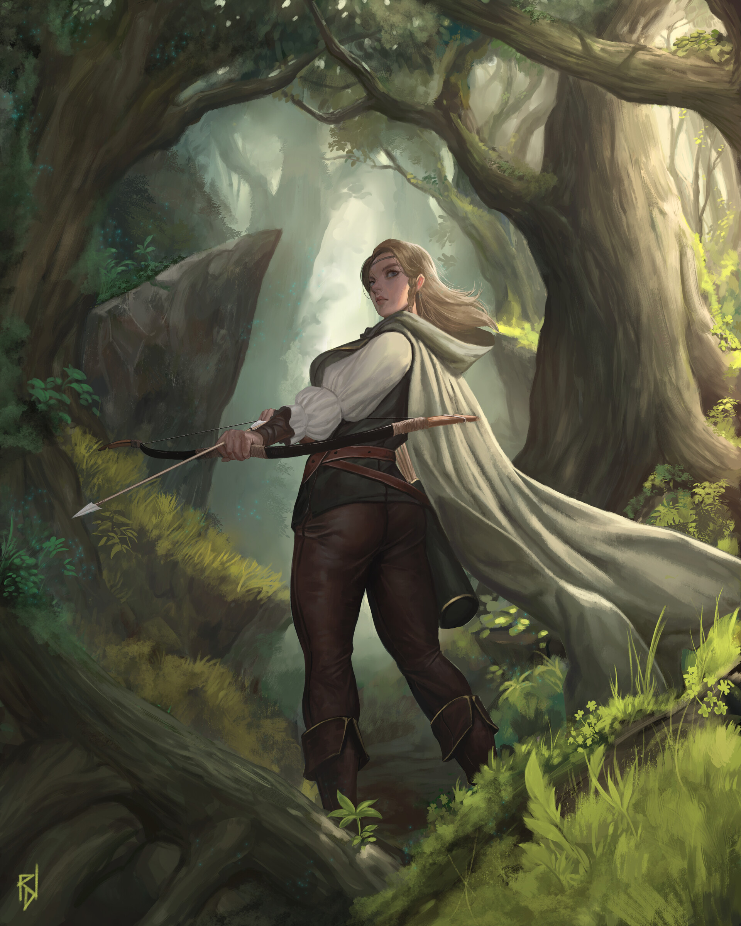
♀️♂️ Sex: 🧓👵 Age: 📈 Height: ⚖️ Weight: |  | 🧧 Guild 1: Rank: Completed Quests: - 🧧 Guild 2: Rank: Completed Quests: - 🧧 Guild 3: Rank: Completed Quests: -
⭐ Level: 200 | Total Perk Points: 100 | Entity Type: Humanoid
🤝 Loyalty Score: | 🏰 Starter Town:
🧞‍♂️ Race: Halfling |  | 🏹 Class: Mage Half Class: Archer |  | HP-Taken | SP-Spent | Hunger-Spent | Thirst-Spent | Energy-Spent |  | DMG Calculator
⚔️ Attack: 219 | 🛡️ Defense: 1019 | 🎯 Accuracy: 219 | 😇[P] Charisma: 5 |  | 0 | 0 | 0 | 0 |  | DMG multiplier: | 1
🤯[P] Wisdom: 5 | ❤️[P] Constitution: 77 | 🏃‍♀️[P] Evasion: 18 | 😈[P] Intimidation: 5 | Attack | Defense | Accuracy | Charisma |  |  | Flat DMG Add:
 |  | 🏊‍♀🏃‍♀️[P] Mobility: 8 |  | 0 | 0 | 0 | 0 |  |  | Base DMG:
❤️ HP: 604/604 |  | 🧪 SP: 604/604 |  | Wisdom | Constitution | Evasion | Intimidation |  |  | Calc DMG: | 0
🍗 Hunger: 219/219 |  | 💧 Thirst: 219/219 |  | 0 | 0 | 0 | 0
⚡ Energy: 219/219 |  | 🐟 Astrological Sign: Taurus
🎭 Alignment:
🧞‍♂️ Race Bonuses: Humanoid: Inspiration - Roll a fail or succeed roll, On success all allies add the casters Charisma X100 to DEF, ATK, and ACC for 1 round +3 Mobility, +3 Evasion, +2 Constitution Has a 20% chance of any attack missing them
Class Bonuses: Rank 9 Select 1 of any element. (excluding Zen and Acoustic) X6 damage with bows. +5 evasion Enhanced Class Bonuses: Rank 9 in all Elements (excluding Zen and Acoustic) Add your mobility and evasion while evading. X6 damage with bows. Add mobilty when attacking with a bow.
Other Bonuses:
Resistances: Vulnerabilities:
Curses: |  | Tomes: | Diseases: |  | Damage Orb:

 |  |  |  |  | Spell (Counters):

Equipped Items
 | Name | Description | Type | Abilities
👑 (1) Head: |  |  |  |  |  |  |  |  |  |  |  | Head
📿 (1) Neck: |  |  |  |  |  |  |  |  |  |  |  | Neck
📿 (2) Neck: |  |  |  |  |  |  |  |  |  |  |  | Neck
📿 (3) Neck: |  |  |  |  |  |  |  |  |  |  |  | Neck
🎒(1) Shoulders |  |  |  |  |  |  |  |  |  |  |  | Shoulders
🧥 (1) Torso: | Archer’s Cloaked Vest |  |  | DEF: +800 (Ranger Set) +Half the Arrow - Range Spells cost half the sp cost, +Ranger Enrage - All Ranged Spells do double in damage +only archers can equip |  |  |  |  |  |  |  | Torso | FALSE | FALSE
💪(1) Arms |  |  |  |  |  |  |  |  |  |  |  | Arms
🖐 (1) L. Hand: |  |  |  |  |  |  |  |  |  |  |  | Hand
🖐 (1) R. Hand: |  |  |  |  |  |  |  |  |  |  |  | Hand
💍 (1) Fingers: |  |  |  |  |  |  |  |  |  |  |  | Ring
💍 (2) Fingers: |  |  |  |  |  |  |  |  |  |  |  | Ring
💍 (3) Fingers: |  |  |  |  |  |  |  |  |  |  |  | Ring
💍 (4) Fingers: |  |  |  |  |  |  |  |  |  |  |  | Ring
💍 (5) Fingers: |  |  |  |  |  |  |  |  |  |  |  | Ring
💍 (6) Fingers: |  |  |  |  |  |  |  |  |  |  |  | Ring
💍 (7) Fingers: |  |  |  |  |  |  |  |  |  |  |  | Ring
💍 (8) Fingers: |  |  |  |  |  |  |  |  |  |  |  | Ring
💍 (9) Fingers: |  |  |  |  |  |  |  |  |  |  |  | Ring
💍 (10) Fingers: |  |  |  |  |  |  |  |  |  |  |  | Ring
👖 (1) Legs: |  |  |  |  |  |  |  |  |  |  |  | Legs
🥾 (1) Feet: | Archers Boots |  |  | (Ranger Set) +5 evasion +Only archers can equip, +Cannot be duplicated or forged. |  |  |  |  |  |  |  | Feet | FALSE | FALSE

⚒ SUB CLASSES
Blacksmith | FALSE | Breeder | FALSE
Level: |  | Level:

Enchanter | FALSE | Crafter | FALSE
Level: |  | Level:

Alchemist | FALSE | Farmer | FALSE
Level: |  | Level:

Chef | FALSE | Miner | FALSE
Level: |  | Level:

Spira Guard | FALSE | Fisherman | FALSE
Rank: |  | Level:
Tier:
Wanted Board

Achievements | Title Equip | Notoriety Gained | Description | Bounty |  | 📜Quest Name |  | Description | Completed? | Type | Location
Welcome to The Land of Spira | FALSE
 | FALSE
 | FALSE
 | FALSE
 | FALSE
 | FALSE
 | FALSE
 | FALSE
 | FALSE
 | FALSE
 | FALSE
 | FALSE
 | FALSE
 | FALSE
 | FALSE
 | FALSE
 | FALSE
 | FALSE
 | FALSE
 | FALSE
 | FALSE
 | FALSE
 | FALSE
 | FALSE
 | FALSE
 | FALSE
 | FALSE
 | FALSE
 | FALSE
 | FALSE
 | FALSE
 | FALSE
 | FALSE
 | FALSE
 | FALSE
 | FALSE
 | FALSE
 | FALSE
 | FALSE
 | FALSE
 | FALSE
 | FALSE
 | FALSE
 | FALSE
 | FALSE
 | FALSE
 | FALSE
 | FALSE
 | FALSE
 | FALSE
 | FALSE
 | FALSE
 | FALSE
 | FALSE
 | FALSE
 | FALSE
 | FALSE
 | FALSE
 | FALSE

Leveler
 | Base Rolled Stats | Racial Bonus | Class Bonus | Human Check | Half Race | Race: | Halfling | Half Class | Class: | Mage
Attack | 20 |  |  | FALSE | FALSE | Half Race: |  | TRUE | Half Class: | Archer
Defense | 20 |  |  |  |  |  |  |  | Enhanced Class: | Grand Mage
Accuracy | 20 |  |  | Starting Town: |  |  | Spell Slots Number: | 6 | Enhanced Half Class: | Skilled Archer
HP | 20 |  |  | Character Name: | Archer of Swiftness (Change Name) |  |  |  | Select Element1: | Storm
SP | 20 |  |  | Sex: |  |  | Astrological Sign: | Taurus | Select Element2:
Hunger | 20 |  |  | Age: |  |  | Ability: | The Bull | Select Element3:
Thirst | 20 |  |  | Height: |  |  | Description
Energy | 20 |  |  | Weight: |  |  | During each of your turns in battle, you get 1 additional weapon attack as long as you attacked with a weapon. |  | Time Spell Rank:
 |  |  |  | Alignment:

Load
Save
 | Level | Perk Points Total |  | Damage Orb (0/1): |  | Resistances: |  | DB ID: | 1mNoojYCRU_5eQ4skcH3ywN5n3JMKPeua1AFji0FLWdI
 | 200 | 100 |  | Spell (Counters): |  | Vulnerabilities:
 |  | 100/100 |  | Other Bonuses: |  | Loyalty Score: |  |  | Beta_V2-1
 |  | Free Points:0 |  | Creature Type Override:

 | Attack | Defense | Accuracy | Charisma | Wisdom | Constitution | Evasion | Intimidation | Mobility
 | 219 | 1019 | 219 | 5 | 5 | 75 | 5 | 5 | 5
 |  |  | Bonus: |  |  |  | 5
 |  |  | Total: | 5 | 5 | 77 | 18 | 5 | 8

 | HP | SP | Hunger | Thirst | Energy |  | Faction: | The Storm Shamans
 | 604 | 604 | 219 | 219 | 219 |  | Abilities: | Storming Vengeance - +5 evasion and mobility if the weather is stormy.
 |  |  |  |  |  |  |  | Storming Vengeance II - X2 additional Storm damage for the user.
 |  |  |  |  |  |  |  | Storming Vengeance III - All Storm Related Attacks have a 20% chance to stun the target(s) they hit for 3 rounds.

 | Equipment Def Add | Equipment Atk Add | Equipment Acc Add | Equipment HP Add | Equipment SP Add | Equipment Hung Add | Equipment Thirst Add | Equipment Energy Add
Head
Neck 1
Neck 2
Neck 3
Shoulders
Torso | 800
Arms
L Hand
R Hand
Fingers 1
Fingers 2
Fingers 3
Fingers 4
Fingers 5
Fingers 6
Fingers 7
Fingers 8
Fingers 9
Fingers 10
Legs
Feet

 | Tomes
Element | Enabled | Rank
Fire: | FALSE
Water: | FALSE
Storm: | FALSE
Earth: | FALSE
Light: | FALSE
Dark: | FALSE
Spirit: | FALSE
Order: | FALSE
Chaos: | FALSE
Nature: | FALSE
Physical: | FALSE
Melee: | FALSE
Ranged: | FALSE
Stasis: | FALSE
Twilight: | FALSE
Voodoo: | FALSE
Blood: | FALSE
Delta: | FALSE
Zen: | FALSE
Time: | FALSE
Astral: | FALSE
Celestial: | FALSE
Acoustic: | FALSE

